LP
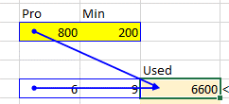
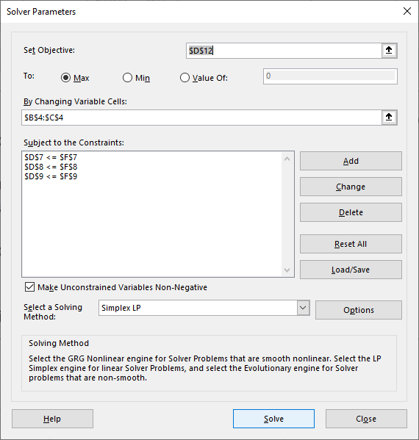
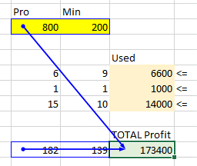
Product Mix for Mini and Pro Model Tablets |  |  |  |  | input | output

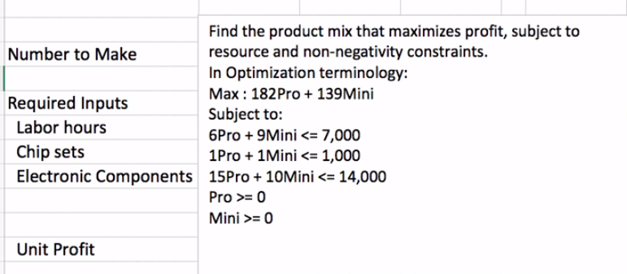
 | Pro | Min
Number to Make | 800 | 200

Required Inputs(Constraints) |  |  | Used |  | Available
C1 Labor (hours) | 6 | 9 | 6600 | <= | 7000
C 2 Chip sets | 1 | 1 | 1000 | <= | 1000
C3 Electronic Componets | 15 | 10 | 14000 | <= | 14000

 |  |  | TOTAL Profit
Unit Profit | 182 | 139 | 173400

Formulas

SAS Code
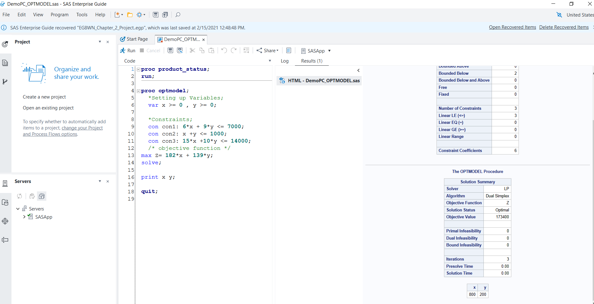
proc product_status;
run;

proc optmodel;
*Setting up Variables;
var x >= 0 , y >= 0;

*Constraints;
con con1: 6*x + 9*y <= 7000;
con con2: x +y <= 1000;
con con3: 15*x +10*y <= 14000;
/* objective function */
max Z= 182*x + 139*y;
solve;

print x y;

quit;

